Front Page
Half Year 2026 Earnings / July 31, 2026

Financial Supplement

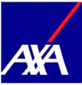

Throughout this document, the periods 1H25, FY25 and 1H26 refer to the periods ending June 30, 2025, December 31, 2025 and June 30, 2026 respectively.

